TOTAL SKU List
 |  |  |  |  |  |  |  |  | 98,306 |  | $1,770,581 |  | $265,587.15
IMAGES | HWS MATERIAL NUMBER | COLLECTION | TYPE | PRODUCT DESCRIPTION | Color | UPC | INNER CP | MASTER CP | QTY AVAILABLE | MSRP | EXT. MSRP | OFFER PRICE | OFFER PRICE EXT
 | HL-SYR-1OZ-MM | CRAFT | CRAFT | CCK SYRUP | MOSCOW MULE CRAFT COCKTAIL SYRUP - 1OZ | MOSCOW MULE | 853334007944 | 0 | 24 | 209 | $7.00 | $1,463 | $1.05 | $219.45
 | HL-PBSU36-BL | FOOD STORAGE | BAGS | PORTER BAG STAND UP | 36 OZ | BLUSH | 850014034641 | 12 | 24 | 8,258 | $15.00 | $123,870 | $2.25 | $18,580.50
 | HL-PBSU36-SL | FOOD STORAGE | BAGS | PORTER BAG STAND UP | 36 OZ | SLATE | 850014034634 | 12 | 24 | 996 | $15.00 | $14,940 | $2.25 | $2,241.00
 | HL-PBSU36-SG | FOOD STORAGE | BAGS | PORTER BAG STAND UP | 36 OZ | SAGE | 810074419178 | 12 | 24 | 15 | $15.00 | $225 | $2.25 | $33.75
 | HL-PBSU36-CM | FOOD STORAGE | BAGS | PORTER BAG STAND UP | 36 OZ | CREAM | 850014034603 | 12 | 24 | 90 | $15.00 | $1,350 | $2.25 | $202.50
 | HL-PBSU36-OT | FOOD STORAGE | BAGS | PORTER BAG STAND UP | 36 OZ | OAT | 810074419109 | 12 | 24 | 9 | $15.00 | $135 | $2.25 | $20.25
 | HL-PBSU36-MT | FOOD STORAGE | BAGS | PORTER BAG STAND UP | 36 OZ | MINT | 850014034627 | 12 | 24 | 375 | $15.00 | $5,625 | $2.25 | $843.75
 | HL-PBSU50-SL | FOOD STORAGE | BAGS | PORTER BAG STAND UP | 50 OZ | SLATE | 850014034689 | 12 | 24 | 2,173 | $20.00 | $43,460 | $3.00 | $6,519.00
 | HL-PBSU50-CH | FOOD STORAGE | BAGS | PORTER BAG STAND UP | 50 OZ | CHARCOAL | 850014034665 | 12 | 24 | 3,961 | $20.00 | $79,220 | $3.00 | $11,883.00
 | HL-PBSU50-BL | FOOD STORAGE | BAGS | PORTER BAG STAND UP | 50 OZ | BLUSH | 850014034696 | 12 | 24 | 3,040 | $20.00 | $60,800 | $3.00 | $9,120.00
 | HL-PBSU50-SG | FOOD STORAGE | BAGS | PORTER BAG STAND UP | 50 OZ | SAGE | 810074419185 | 12 | 24 | 878 | $20.00 | $17,560 | $3.00 | $2,634.00
 | HL-PBSU50-OT | FOOD STORAGE | BAGS | PORTER BAG STAND UP | 50 OZ | OAT | 810074419116 | 12 | 24 | 785 | $20.00 | $15,700 | $3.00 | $2,355.00
 | HL-PB10-CH | FOOD STORAGE | BAGS | STORAGE | 10 OZ | SNACK BAG | CHARCOAL | 850014034467 | 12 | 48 | 4,797 | $10.00 | $47,970 | $1.50 | $7,195.50
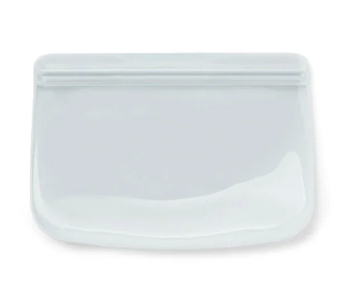 | HL-PB10-MT | FOOD STORAGE | BAGS | STORAGE | 10 OZ | SNACK BAG | MINT | 850014034474 | 12 | 48 | 2,629 | $10.00 | $26,290 | $1.50 | $3,943.50
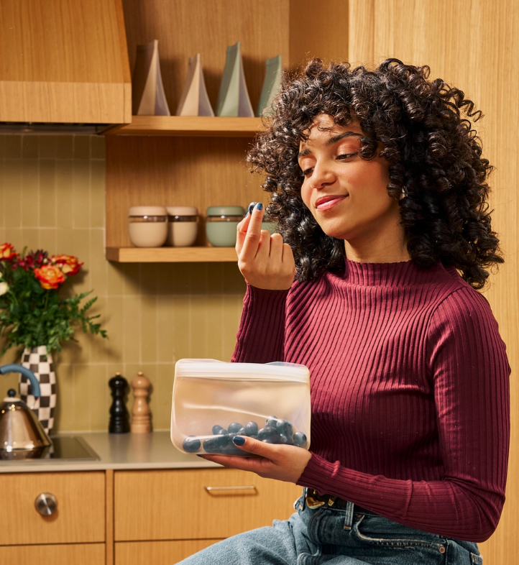 | HL-PB10-BL | FOOD STORAGE | BAGS | STORAGE | 10 OZ | SNACK BAG | BLUSH | 850014034498 | 12 | 48 | 2,277 | $10.00 | $22,770 | $1.50 | $3,415.50
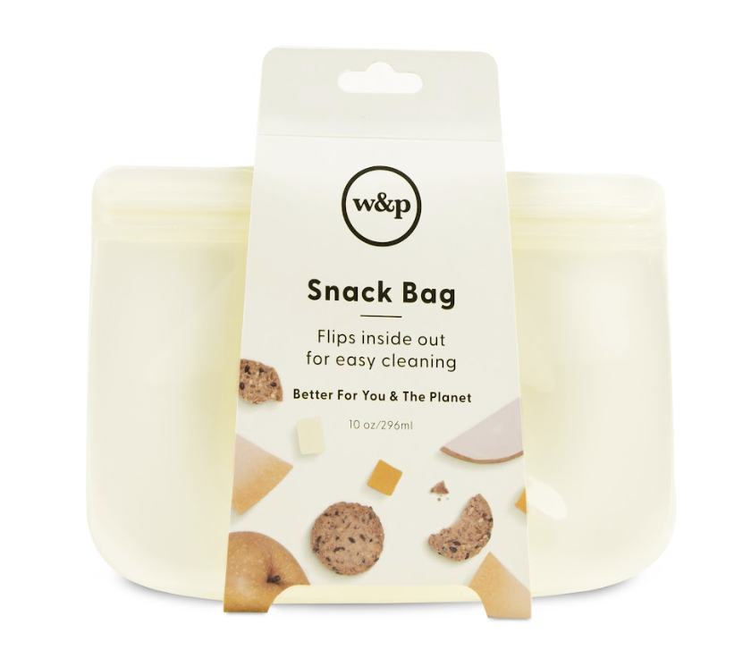 | HL-PB10-CM | FOOD STORAGE | BAGS | STORAGE | 10 OZ | SNACK BAG | CREAM | 850014034450 | 12 | 48 | 1,884 | $10.00 | $18,840 | $1.50 | $2,826.00
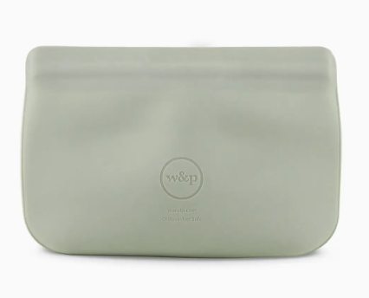 | HL-PB10-SG | FOOD STORAGE | BAGS | STORAGE | 10 OZ | SNACK BAG | SAGE | 810074419147 | 12 | 48 | 908 | $10.00 | $9,080 | $1.50 | $1,362.00
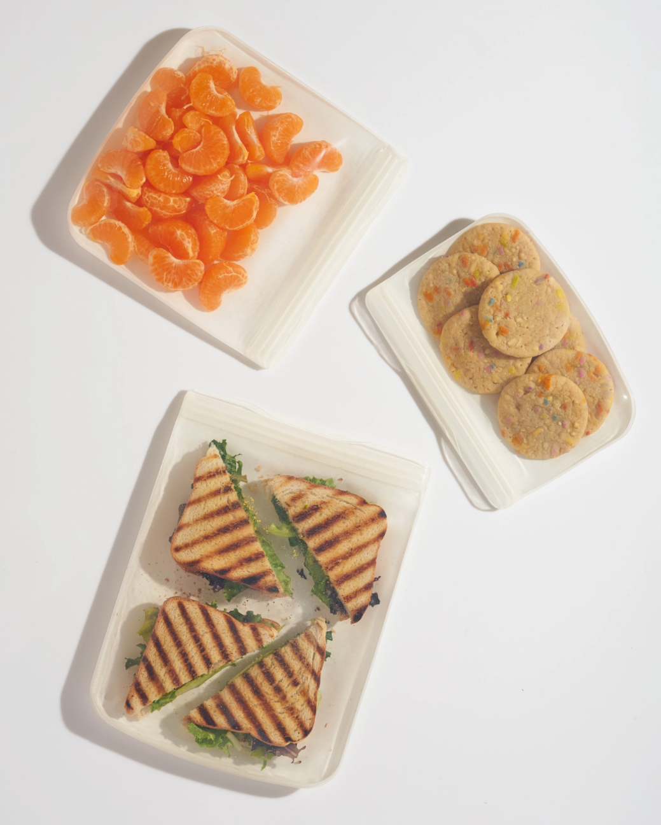 | HL-PB10-OT | FOOD STORAGE | BAGS | STORAGE | 10 OZ | SNACK BAG | OAT | 810074419079 | 12 | 48 | 872 | $10.00 | $8,720 | $1.50 | $1,308.00
 | HL-PB10-SL | FOOD STORAGE | BAGS | STORAGE | 10 OZ | SNACK BAG | SLATE | 850014034481 | 12 | 48 | 1 | $10.00 | $10 | $1.50 | $1.50
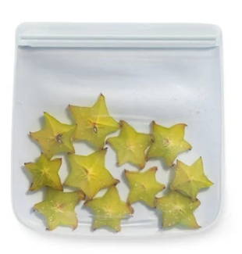 | HL-PB34-MT-T | FOOD STORAGE | BAGS | STORAGE | 34 OZ | SANDWICH BAG | MINT | 810074411325 | 12 | 48 | 1,762 | $13.00 | $22,906 | $1.95 | $3,435.90
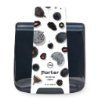 | HL-PB34-CH | FOOD STORAGE | BAGS | STORAGE | 34 OZ | SANDWICH BAG | CHARCOAL | 850014034511 | 12 | 48 | 3,765 | $13.00 | $48,945 | $1.95 | $7,341.75
 | HL-PB34-BL | FOOD STORAGE | BAGS | STORAGE | 34 OZ | SANDWICH BAG | BLUSH | 850014034542 | 12 | 48 | 566 | $13.00 | $7,358 | $1.95 | $1,103.70
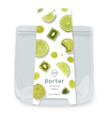 | HL-PB46-MT | FOOD STORAGE | BAGS | STORAGE | 46 OZ | STORAGE BAGS | MINT | 850014034566 | 12 | 48 | 6,413 | $20.00 | $128,260 | $3.00 | $19,239.00
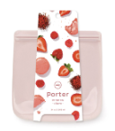 | HL-PB46-BL | FOOD STORAGE | BAGS | STORAGE | 46 OZ | STORAGE BAGS | BLUSH | 850014034597 | 12 | 48 | 5,084 | $20.00 | $101,680 | $3.00 | $15,252.00
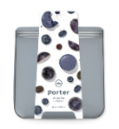 | HL-PB46-SL | FOOD STORAGE | BAGS | STORAGE | 46 OZ | STORAGE BAGS | SLATE | 850014034580 | 12 | 48 | 2,710 | $20.00 | $54,200 | $3.00 | $8,130.00
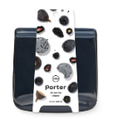 | HL-PB46-CH | FOOD STORAGE | BAGS | STORAGE | 46 OZ | STORAGE BAGS | CHARCOAL | 850014034566 | 12 | 48 | 3,050 | $20.00 | $61,000 | $3.00 | $9,150.00
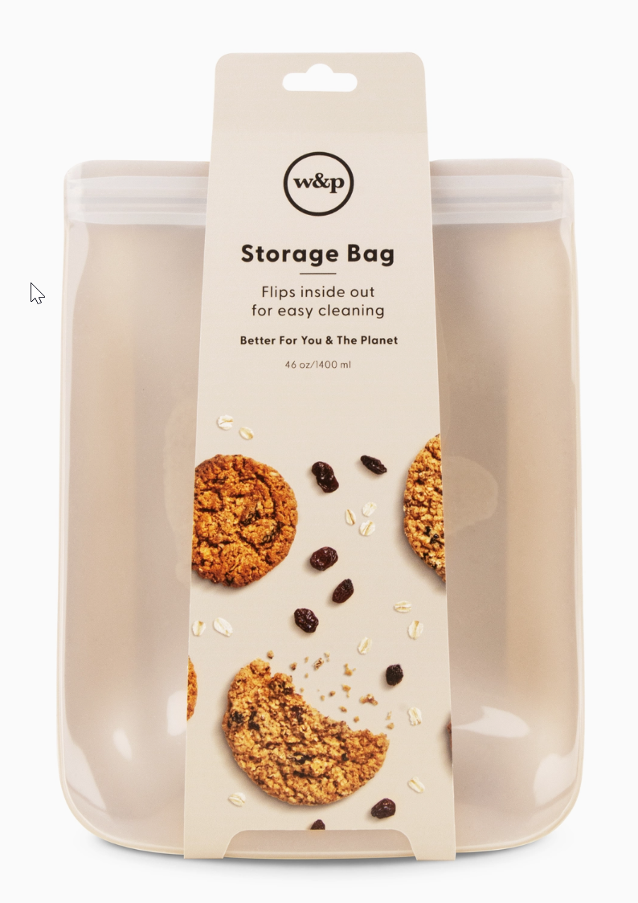 | HL-PB46-OT | FOOD STORAGE | BAGS | STORAGE | 46 OZ | STORAGE BAGS | OAT | 810074419093 | 12 | 48 | 2,269 | $20.00 | $45,380 | $3.00 | $6,807.00
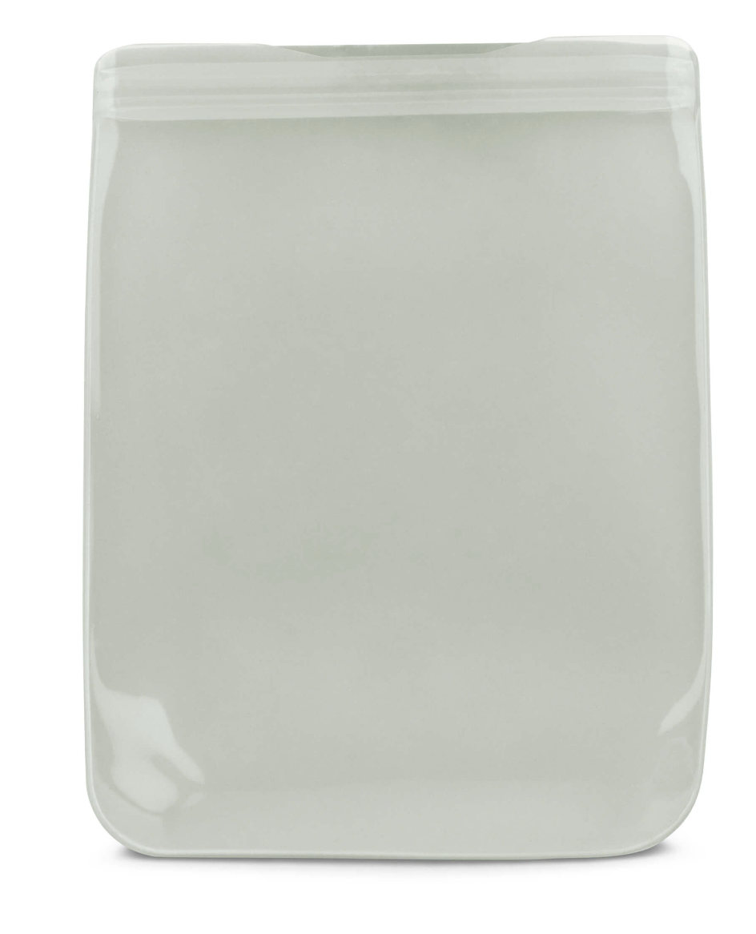 | HL-PB46-SG | FOOD STORAGE | BAGS | STORAGE | 46 OZ | STORAGE BAGS | SAGE | 810074419161 | 12 | 48 | 1,618 | $20.00 | $32,360 | $3.00 | $4,854.00
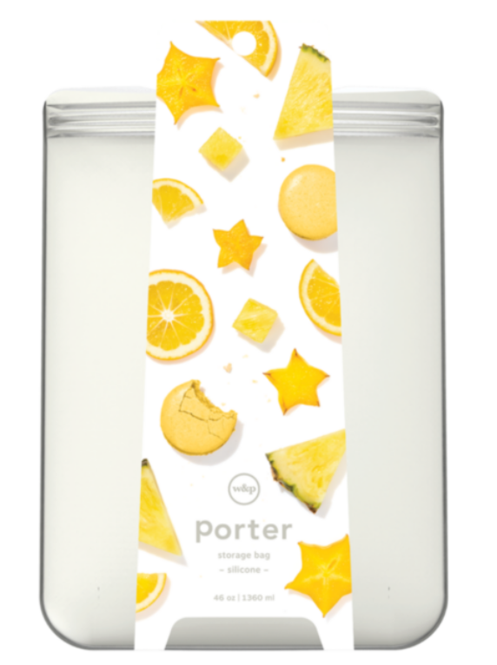 | HL-PB46-CM | FOOD STORAGE | BAGS | STORAGE | 46 OZ | STORAGE BAGS | CREAM | 850014034559 | 12 | 48 | 2 | $20.00 | $40 | $3.00 | $6.00
 | HL-PUT-NV | KITCHEN ACCESS | MAKE & TAKE | UTENSIL BUNDLE | NAVY | 850024435537 | 12 | 96 | 499 | $15.00 | $7,485 | $2.25 | $1,122.75
 | HL-RTB36-CL | FOOD STORAGE | ROLL TIGHT BAGS | ROLL TIGHT BAG (36OZ) | CREAM | 810074416160 | 6 | 48 | 2,446 | $10.00 | $24,460 | $1.50 | $3,669.00
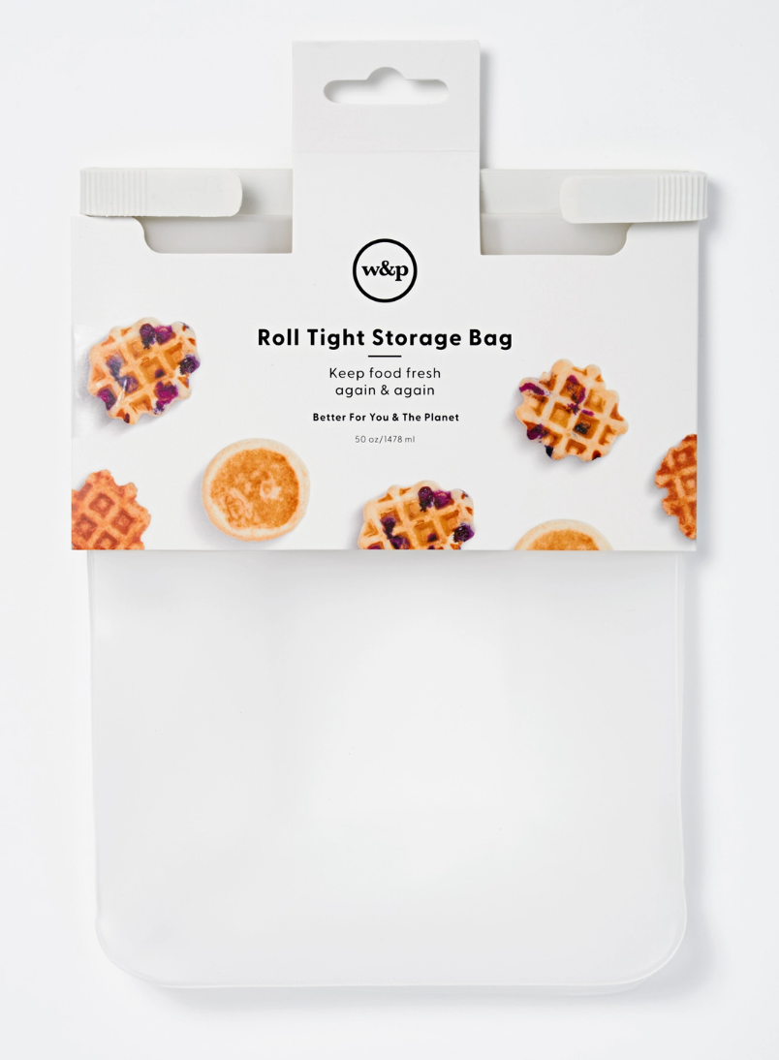 | HL-RTB50-CL | FOOD STORAGE | BAGS | ROLL TIGHT BAG (50OZ) | CREAM | 810074416177 | 6 | 48 | 2,380 | $12.00 | $28,560 | $1.80 | $4,284.00
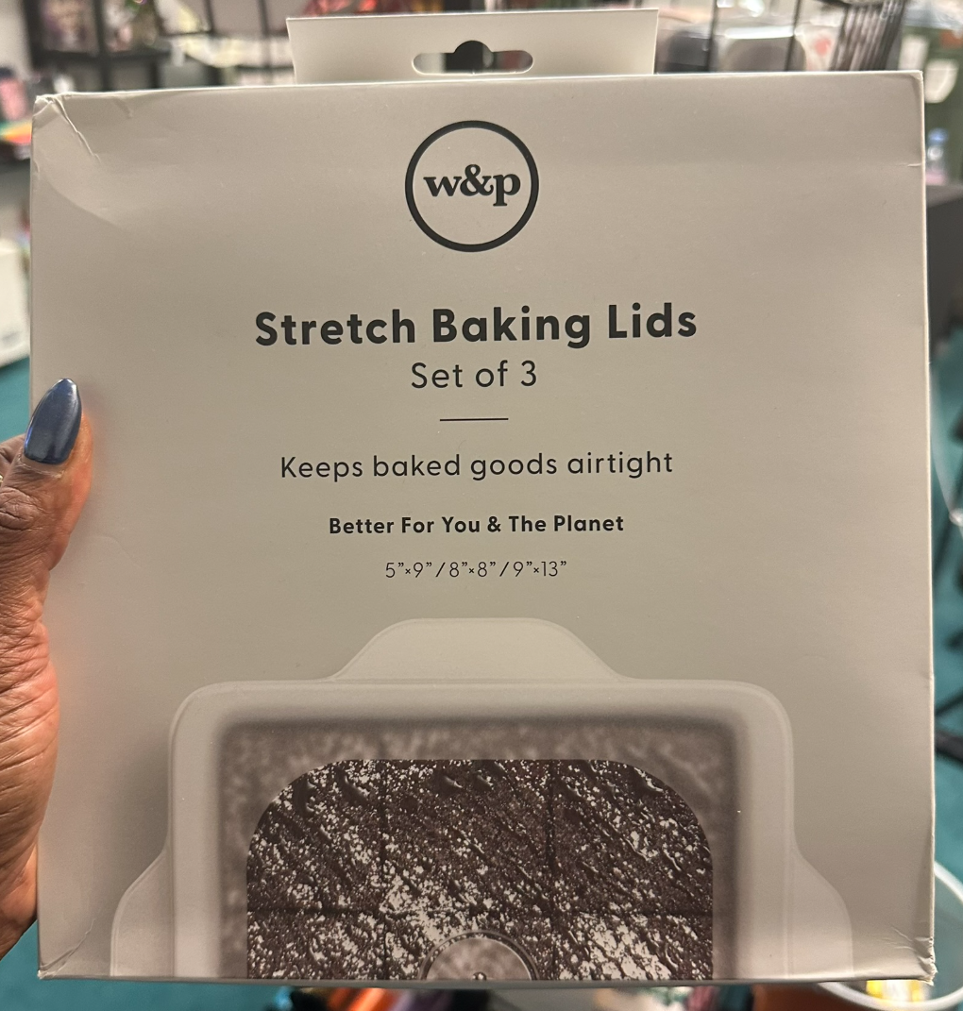 | HL-BSLIDSET3-CL | FOOD STORAGE | STRETCH LIDS | THE STRETCH BAKING LID BUNDLE OF 3 (5X9", 8X8" & 9X13") | CLEAR | 810074415965 | 0 | 6 | 1,699 | $24.00 | $40,776 | $3.60 | $6,116.40
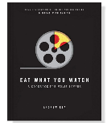 | HL-9780998739953 | COOKBOOK | BOOKS | EAT WHAT YOU WATCH | N/A | 855113007442 | 6 | 24 | 8,313 | $25.00 | $207,825 | $3.75 | $31,173.75
 | HL-9780999661239 | COOKBOOK | BOOKS | RANCH | N/A | 9780999661239 | 6 | 12 | 168 | $25.00 | $4,200 | $3.75 | $630.00
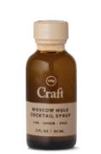 | HL-DV-MAT-SHAKER-OB | KITCHEN ACCESS | HOST | MATCHA SHAKER | N/A | 855113007282 | 6 | 24 | 52 | $25.00 | $1,300 | $3.75 | $195.00
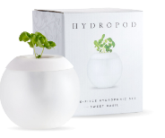 | HL-HYDROPOD | KITCHEN ACCESS | HYDROPOD | HYDROPOD | N/A | 851533008212 | 6 | 24 | 6,507 | $25.00 | $162,675 | $3.75 | $24,401.25
 | HL-ICE-AMP-CH | ICE | COCKTAIL | COCKTAIL ICE | AMPERSAND | CHARCOAL | 810074412537 | 6 | 72 | 2,407 | $18.00 | $43,326 | $2.70 | $6,498.90
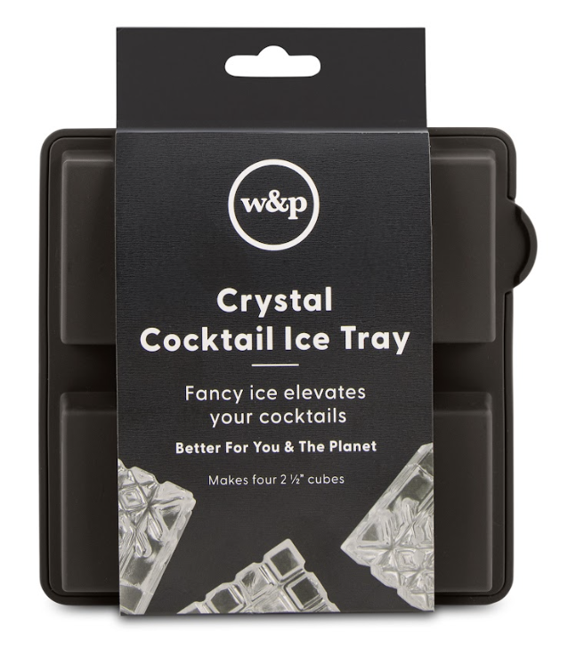 | HL-ICE-LP-CH | ICE | COCKTAIL | COCKTAIL ICE | LOOP | CHARCOAL | 810074412551 | 6 | 72 | 6,026 | $18.00 | $108,468 | $2.70 | $16,270.20
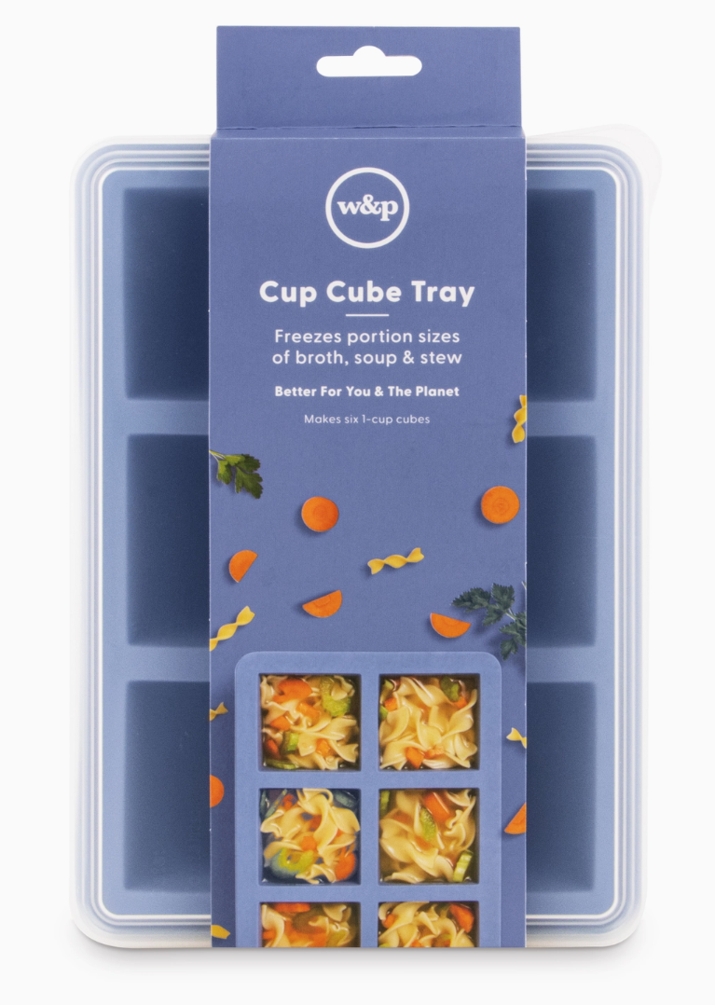 | HL-ICE-CC6-BL1 | ICE | FREEZER ORG | CUP CUBE, 6 CUBE TRAY | PEAK BLUE | 850024435063 | 6 | 24 | 2,533 | $25.00 | $63,325 | $3.75 | $9,498.75
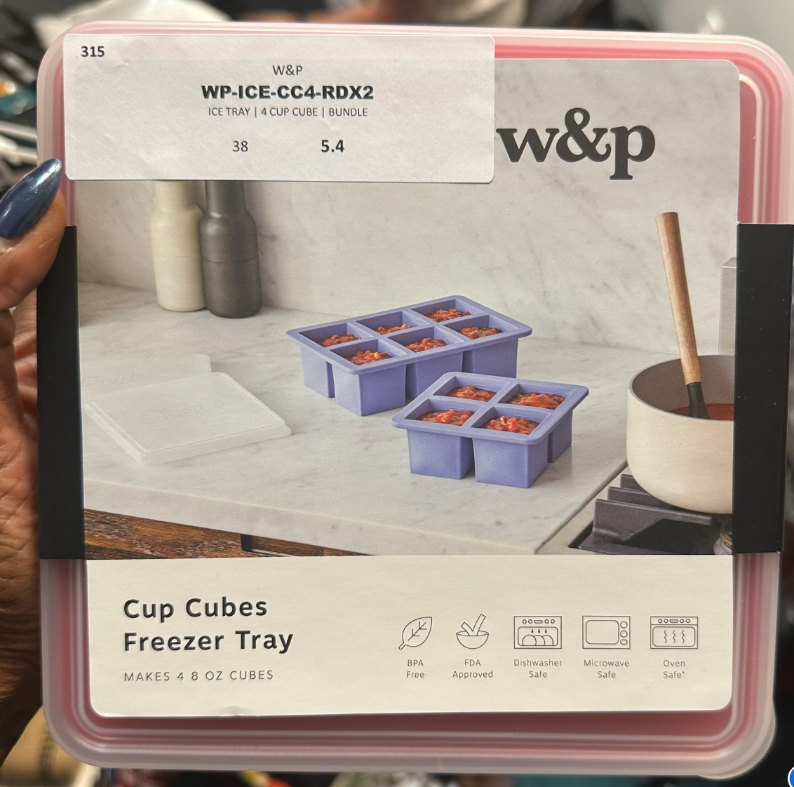 | HL-ICE-CC4-RDX2 | ICE | ICE TRAY | 4 CUP CUBE | BUNDLE | ICE TRAY | 4 CUP CUBE | BUNDLE | RED | 810074413763 | 0 | 6 | 37 | $36.00 | $1,332 | $5.40 | $199.80
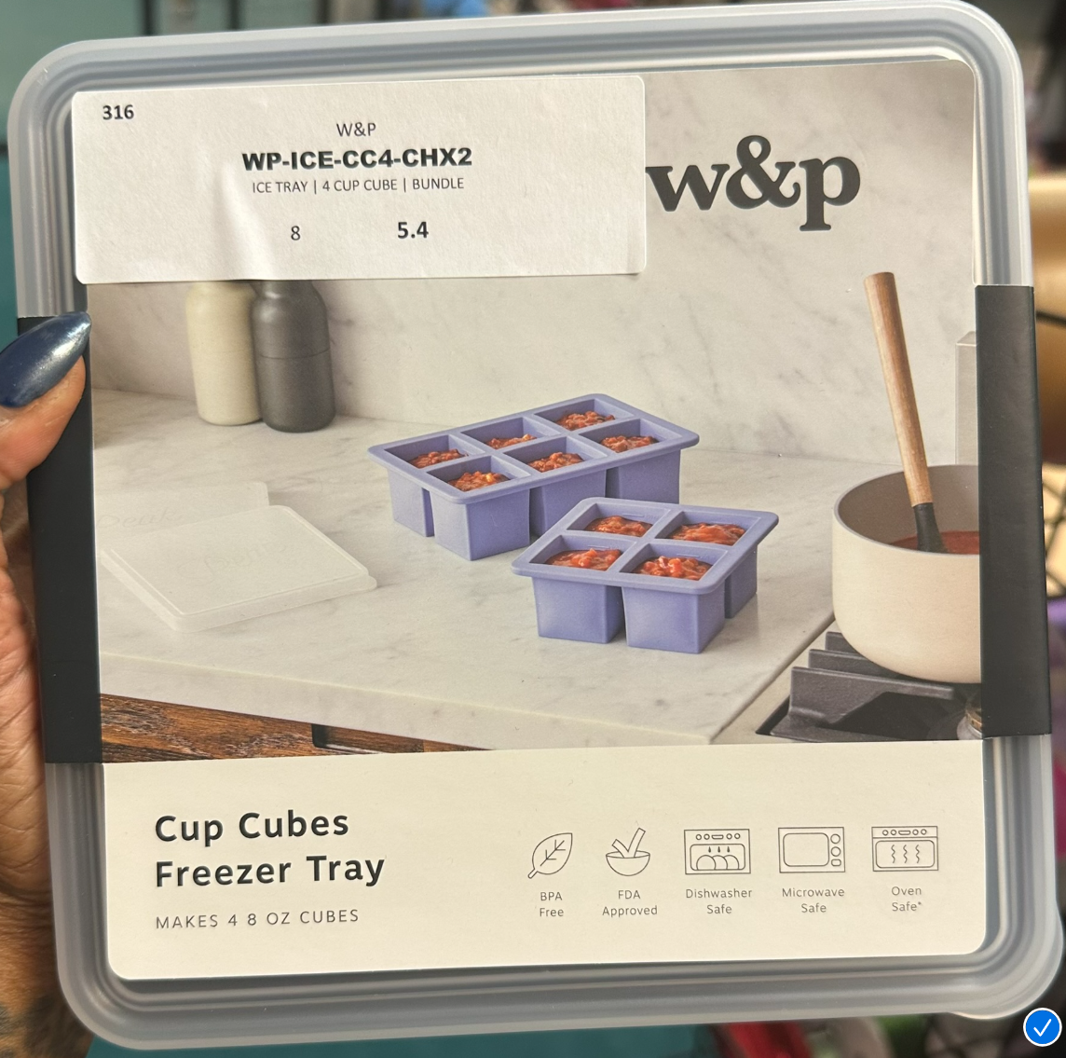 | HL-ICE-CC4-CHX2 | ICE | ICE TRAY | 4 CUP CUBE | BUNDLE | ICE TRAY | 4 CUP CUBE | BUNDLE | CHARCOAL | 859644007308 | 0 | 6 | 7 | $36.00 | $252 | $5.40 | $37.80
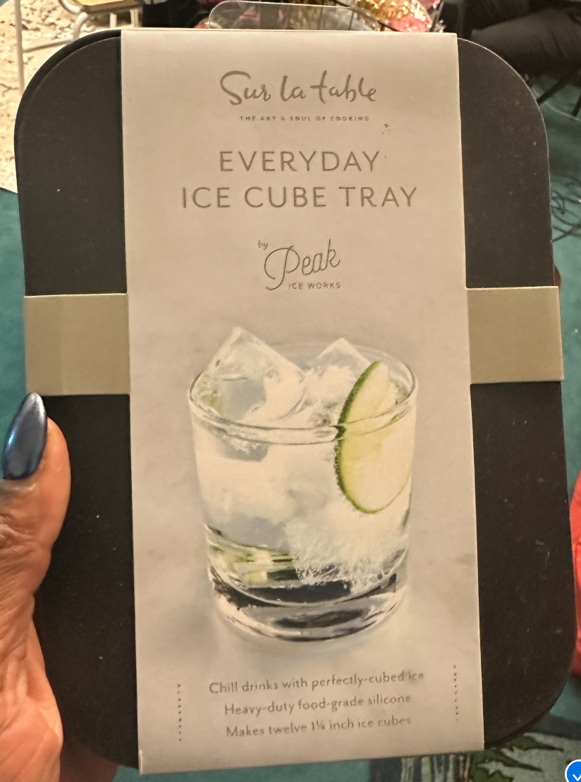 | HL-ICE-ED-BK | ICE | ICE TRAY | EVERYDAY | EVERYDAY ICE TRAY | BLACK | 856334006337 | 6 | 60 | 50 | $14.00 | $700 | $2.10 | $105.00
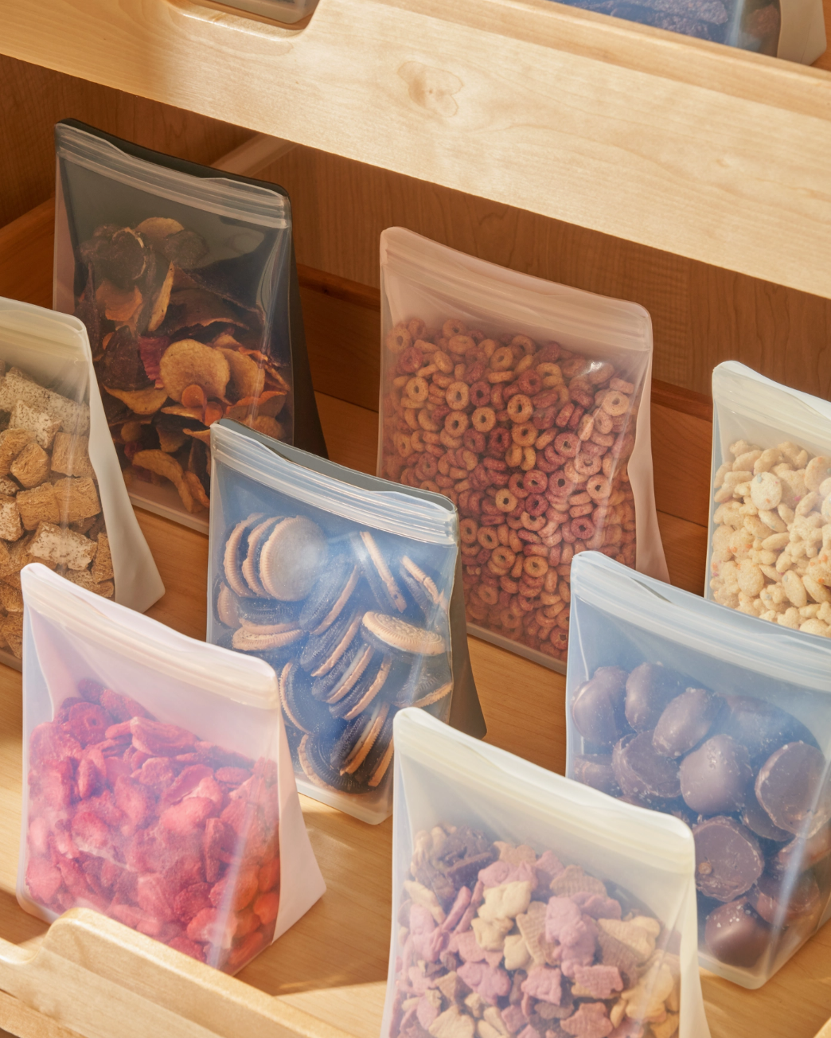 | HL-PBSU50-MT | FOOD STORAGE | BAGS | PORTER BAG STAND UP | 50 OZ | MINT | 850014034672 | 12 | 24 | 3,781 | $20.00 | $75,620 | $3.00 | $11,343.00
 | HL-BSLID5X9-CLX2 | FOOD STORAGE | STRETCH LIDS | THE STRETCH BAKING LID - 2 PACK (5X9") | CLEAR | 810074416733 |  | 6 | 5 | $24.00 | $120 | $3.60 | $18.00

FOOD STORAGE + PREP
 |  |  |  |  |  |  |  |  | 71,498 |  | $1,168,230 |  | $175,234.50
IMAGES | HWS MATERIAL NUMBER | COLLECTION | TYPE | PRODUCT DESCRIPTION | Color | UPC | INNER CP | MASTER CP | QTY AVAILABLE | MSRP | EXT. MSRP | OFFER PRICE | OFFER PRICE EXT
 | HL-PUT-NV | KITCHEN ACCESS | MAKE & TAKE | UTENSIL BUNDLE | NAVY | 850024435537 | 12 | 96 | 499 | $15.00 | $7,485 | $2.25 | $1,122.75
 | HL-DV-MAT-SHAKER-OB | KITCHEN ACCESS | HOST | MATCHA SHAKER | N/A | 855113007282 | 6 | 24 | 52 | $25.00 | $1,300 | $3.75 | $195.00
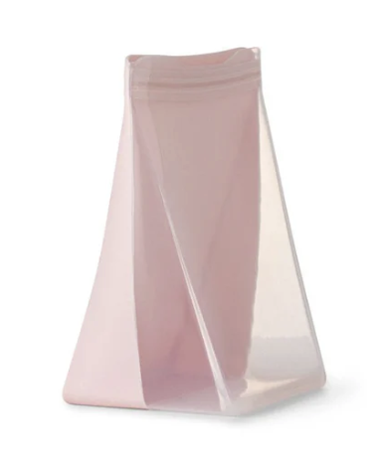 | HL-PBSU36-BL | FOOD STORAGE | BAGS | PORTER BAG STAND UP | 36 OZ | BLUSH | 850014034641 | 12 | 24 | 8,258 | $15.00 | $123,870 | $2.25 | $18,580.50
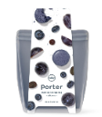 | HL-PBSU36-SL | FOOD STORAGE | BAGS | PORTER BAG STAND UP | 36 OZ | SLATE | 850014034634 | 12 | 24 | 996 | $15.00 | $14,940 | $2.25 | $2,241.00
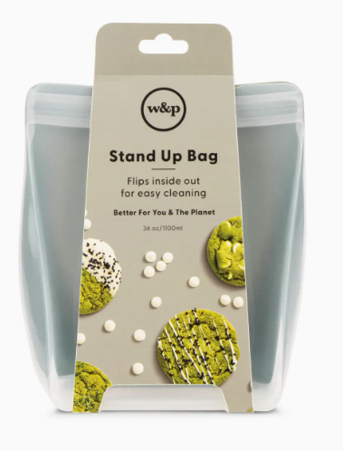 | HL-PBSU36-SG | FOOD STORAGE | BAGS | PORTER BAG STAND UP | 36 OZ | SAGE | 810074419178 | 12 | 24 | 15 | $15.00 | $225 | $2.25 | $33.75
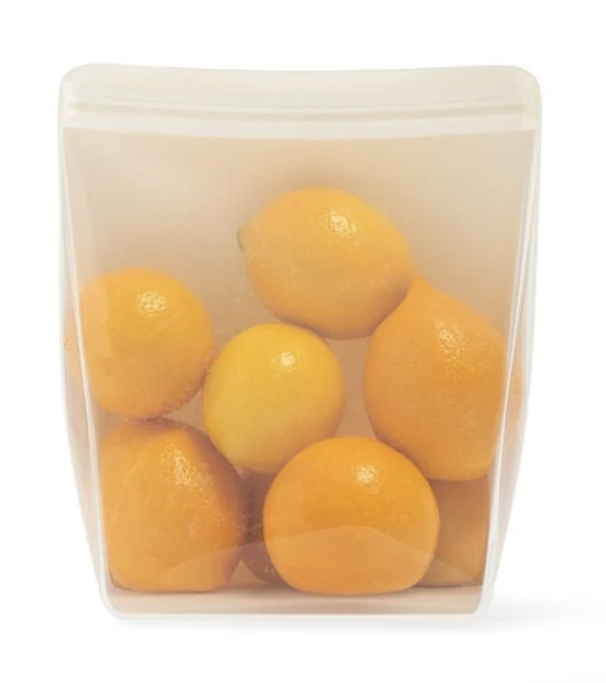 | HL-PBSU36-CM | FOOD STORAGE | BAGS | PORTER BAG STAND UP | 36 OZ | CREAM | 850014034603 | 12 | 24 | 90 | $15.00 | $1,350 | $2.25 | $202.50
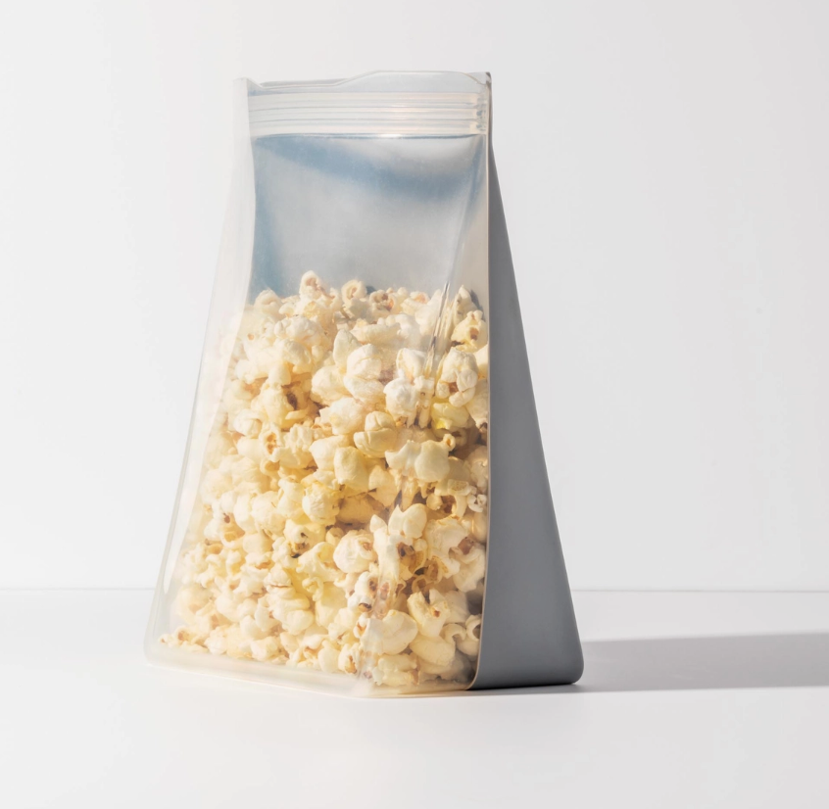 | HL-PBSU36-OT | FOOD STORAGE | BAGS | PORTER BAG STAND UP | 36 OZ | OAT | 810074419109 | 12 | 24 | 9 | $15.00 | $135 | $2.25 | $20.25
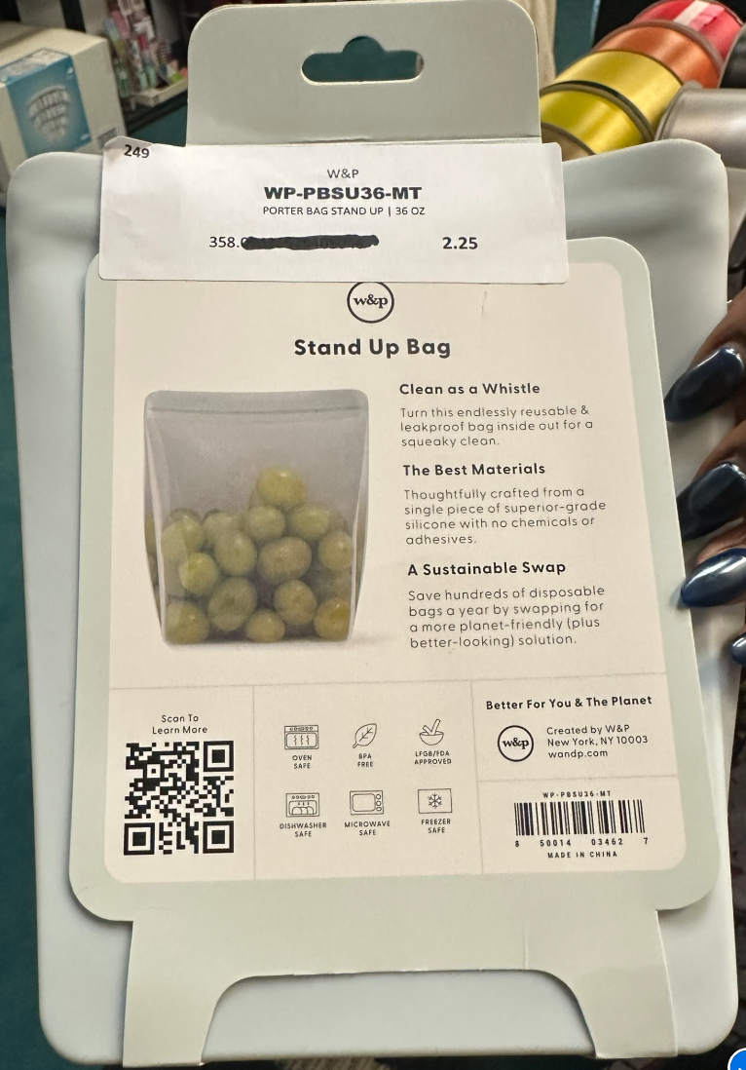 | HL-PBSU36-MT | FOOD STORAGE | BAGS | PORTER BAG STAND UP | 36 OZ | MINT | 850014034627 | 12 | 24 | 375 | $15.00 | $5,625 | $2.25 | $843.75
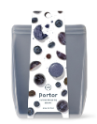 | HL-PBSU50-SL | FOOD STORAGE | BAGS | PORTER BAG STAND UP | 50 OZ | SLATE | 850014034689 | 12 | 24 | 2,173 | $20.00 | $43,460 | $3.00 | $6,519.00
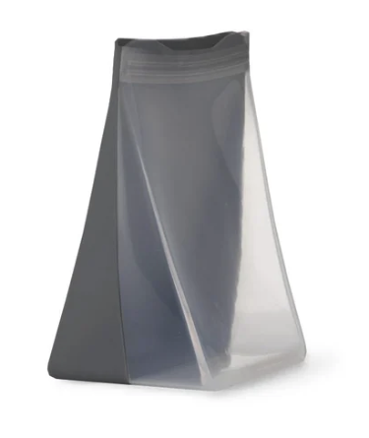 | HL-PBSU50-CH | FOOD STORAGE | BAGS | PORTER BAG STAND UP | 50 OZ | CHARCOAL | 850014034665 | 12 | 24 | 3,961 | $20.00 | $79,220 | $3.00 | $11,883.00
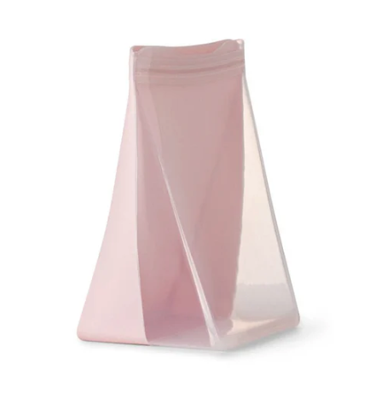 | HL-PBSU50-BL | FOOD STORAGE | BAGS | PORTER BAG STAND UP | 50 OZ | BLUSH | 850014034696 | 12 | 24 | 3,040 | $20.00 | $60,800 | $3.00 | $9,120.00
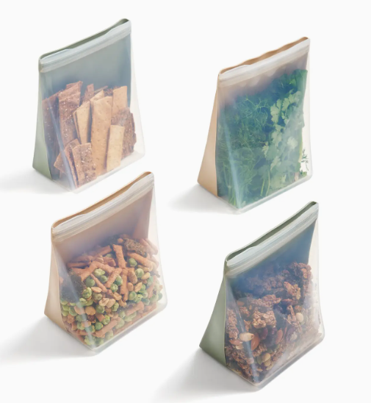 | HL-PBSU50-SG | FOOD STORAGE | BAGS | PORTER BAG STAND UP | 50 OZ | SAGE | 810074419185 | 12 | 24 | 878 | $20.00 | $17,560 | $3.00 | $2,634.00
 | HL-PBSU50-OT | FOOD STORAGE | BAGS | PORTER BAG STAND UP | 50 OZ | OAT | 810074419116 | 12 | 24 | 785 | $20.00 | $15,700 | $3.00 | $2,355.00
 | HL-PBSU50-MT | FOOD STORAGE | BAGS | PORTER BAG STAND UP | 50 OZ | MINT | 850014034672 | 12 | 24 | 3,781 | $20.00 | $75,620 | $3.00 | $11,343.00
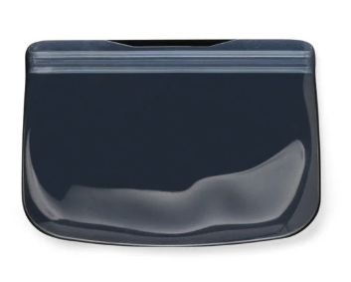 | HL-PB10-CH | FOOD STORAGE | BAGS | STORAGE | 10 OZ | SNACK BAG | CHARCOAL | 850014034467 | 12 | 48 | 4,797 | $10.00 | $47,970 | $1.50 | $7,195.50
 | HL-PB10-MT | FOOD STORAGE | BAGS | STORAGE | 10 OZ | SNACK BAG | MINT | 850014034474 | 12 | 48 | 2,629 | $10.00 | $26,290 | $1.50 | $3,943.50
 | HL-PB10-BL | FOOD STORAGE | BAGS | STORAGE | 10 OZ | SNACK BAG | BLUSH | 850014034498 | 12 | 48 | 2,277 | $10.00 | $22,770 | $1.50 | $3,415.50
 | HL-PB10-CM | FOOD STORAGE | BAGS | STORAGE | 10 OZ | SNACK BAG | CREAM | 850014034450 | 12 | 48 | 1,884 | $10.00 | $18,840 | $1.50 | $2,826.00
 | HL-PB10-SG | FOOD STORAGE | BAGS | STORAGE | 10 OZ | SNACK BAG | SAGE | 810074419147 | 12 | 48 | 908 | $10.00 | $9,080 | $1.50 | $1,362.00
 | HL-PB10-OT | FOOD STORAGE | BAGS | STORAGE | 10 OZ | SNACK BAG | OAT | 810074419079 | 12 | 48 | 872 | $10.00 | $8,720 | $1.50 | $1,308.00
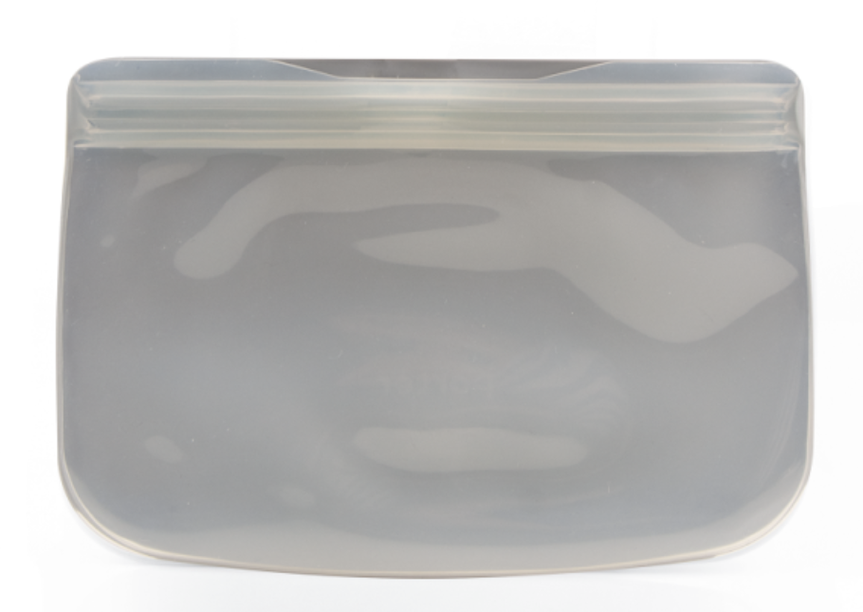 | HL-PB10-SL | FOOD STORAGE | BAGS | STORAGE | 10 OZ | SNACK BAG | SLATE | 850014034481 | 12 | 48 | 1 | $10.00 | $10 | $1.50 | $1.50
 | HL-PB34-MT-T | FOOD STORAGE | BAGS | STORAGE | 34 OZ | SANDWICH BAG | MINT | 810074411325 | 12 | 48 | 1,762 | $13.00 | $22,906 | $1.95 | $3,435.90
 | HL-PB34-CH | FOOD STORAGE | BAGS | STORAGE | 34 OZ | SANDWICH BAG | CHARCOAL | 850014034511 | 12 | 48 | 3,765 | $13.00 | $48,945 | $1.95 | $7,341.75
 | HL-PB34-BL | FOOD STORAGE | BAGS | STORAGE | 34 OZ | SANDWICH BAG | BLUSH | 850014034542 | 12 | 48 | 566 | $13.00 | $7,358 | $1.95 | $1,103.70
 | HL-PB46-MT | FOOD STORAGE | BAGS | STORAGE | 46 OZ | STORAGE BAGS | MINT | 850014034566 | 12 | 48 | 6,413 | $20.00 | $128,260 | $3.00 | $19,239.00
 | HL-PB46-BL | FOOD STORAGE | BAGS | STORAGE | 46 OZ | STORAGE BAGS | BLUSH | 850014034597 | 12 | 48 | 5,084 | $20.00 | $101,680 | $3.00 | $15,252.00
 | HL-PB46-SL | FOOD STORAGE | BAGS | STORAGE | 46 OZ | STORAGE BAGS | SLATE | 850014034580 | 12 | 48 | 2,710 | $20.00 | $54,200 | $3.00 | $8,130.00
 | HL-PB46-CH | FOOD STORAGE | BAGS | STORAGE | 46 OZ | STORAGE BAGS | CHARCOAL | 850014034566 | 12 | 48 | 3,050 | $20.00 | $61,000 | $3.00 | $9,150.00
 | HL-PB46-OT | FOOD STORAGE | BAGS | STORAGE | 46 OZ | STORAGE BAGS | OAT | 810074419093 | 12 | 48 | 2,269 | $20.00 | $45,380 | $3.00 | $6,807.00
 | HL-PB46-SG | FOOD STORAGE | BAGS | STORAGE | 46 OZ | STORAGE BAGS | SAGE | 810074419161 | 12 | 48 | 1,618 | $20.00 | $32,360 | $3.00 | $4,854.00
 | HL-PB46-CM | FOOD STORAGE | BAGS | STORAGE | 46 OZ | STORAGE BAGS | CREAM | 850014034559 | 12 | 48 | 2 | $20.00 | $40 | $3.00 | $6.00
 | HL-RTB36-CL | FOOD STORAGE | ROLL TIGHT BAGS | ROLL TIGHT BAG (36OZ) | CREAM | 810074416160 | 6 | 48 | 2,446 | $10.00 | $24,460 | $1.50 | $3,669.00
 | HL-RTB50-CL | FOOD STORAGE | BAGS | ROLL TIGHT BAG (50OZ) | CREAM | 810074416177 | 6 | 48 | 2,380 | $12.00 | $28,560 | $1.80 | $4,284.00
 | HL-BSLIDSET3-CL | FOOD STORAGE | STRETCH LIDS | THE STRETCH BAKING LID BUNDLE OF 3 (5X9", 8X8" & 9X13") | CLEAR | 810074415965 | 0 | 6 | 1,699 | $24.00 | $40,776 | $3.60 | $6,116.40
 | HL-BSLID5X9-CLX2 | FOOD STORAGE | STRETCH LIDS | THE STRETCH BAKING LID - 2 PACK (5X9") | CLEAR | 810074416733 | 0 | 6 | 5 | $24.00 | $120 | $3.60 | $18.00

